0
This file has several tabs (also called worksheets). There are 2 tabs for each language: one that presents the questions in Biblical order and another tab that presents the same questions in random order.

Este archivo tiene varias pestañas (también llamadas hojas de trabajo). Hay 2 pestañas para cada idioma: una que presenta las preguntas en orden bíblico y otra pestaña que presenta las mismas preguntas en orden aleatorio.

Ce fichier comporte plusieurs onglets (également appelés feuilles de calcul). Il y a 2 onglets pour chaque langue: un qui présente les questions dans l'ordre biblique et un autre qui présente les mêmes questions dans un ordre aléatoire.

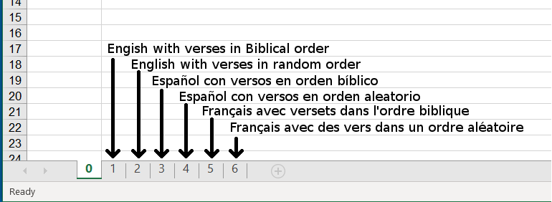

Scripture is taken from the following translations:
New King James Version copyright © 1982 by Thomas Nelson. Used by permission.
Reina-Valera 95 © Sociedades Biblicas Unidas, 1995. Used by permission.
Louis Segond (LSG) translation.
Textus Receptus Stephanus 1550 (TR1550)

